Sheet1
MTT（Fig.1） | ％
Concentrations of compounds |  | results |  |  | average value
Cha Vb (μm) | 0 | 0.8592 | 0.8962 | 0.86435 | 0.87325
Cha Vb (μm) | 25 | 0.9243 | 0.9857 | 0.9962 | 0.96873333333
Cha Vb (μm) | 50 | 0.8388 | 0.8719 | 0.8375 | 0.8494
Cha Vb (μm) | 100 | 0.8516 | 0.8244 | 0.8629 | 0.8463
Cha Vb (μm) | 200 | 0.5217 | 0.5583 | 0.5565 | 0.5455

Cha Vb (μm) | 0 | 0.8857 | 0.8769 | 0.9134 | 0.892
Cha Vb (μm) | 25 | 0.9895 | 0.9917 | 1.1551 | 1.0454333333
Cha Vb (μm) | 50 | 0.8289 | 0.8463 | 0.8247 | 0.8333
Cha Vb (μm) | 100 | 0.8509 | 0.8851 | 0.9001 | 0.8787
Cha Vb (μm) | 200 | 0.6705 | 0.6499 | 0.6911 | 0.6705

Cha Vb (μm) | 0 | 0.8211 | 0.8547 | 0.8704 | 0.84873333333
Cha Vb (μm) | 25 | 0.9903 | 1.1014 | 0.9249 | 1.0055333333
Cha Vb (μm) | 50 | 0.9831 | 0.9577 | 0.9252 | 0.95533333333
Cha Vb (μm) | 100 | 0.9095 | 0.9421 | 0.9136 | 0.92173333333
Cha Vb (μm) | 200 | 0.6688 | 0.6836 | 0.6935 | 0.68196666667

NO(Fig.2A) | μmol/L
Concentrations of compounds |  | results

 | Blank | 0.0052 | 0.0053 | 0.0045
 | Standard | 0.0267 | 0.0279 | 0.0277
 | 0 | 0.0161 | 0.0177 | 0.0185
 | LPS | 0.0338 | 0.0345 | 0.0353
Cha Vb (μm) | 25 | 0.0274 | 0.0271 | 0.03
Cha Vb (μm) | 50 | 0.0264 | 0.0277 | 0.0286
Cha Vb (μm) | 100 | 0.022 | 0.0221 | 0.0242

Relative Fold（Fig.2B)
INOS |  |  | β-actin
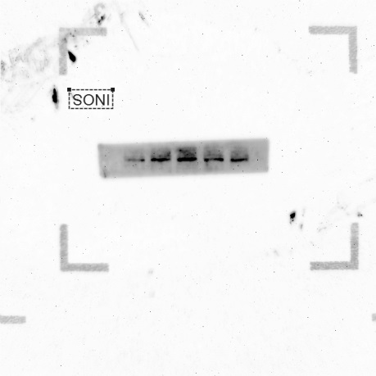
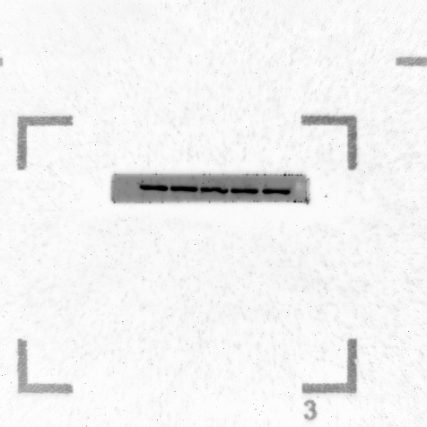

iNOS(Fig.2C)
Concentrations of compounds |  | results |  |  |  | Concentrations of compounds |  | results
iNOS | 0 | 36.611343384 | 36.268548965 | 36.268548965 |  | GAPDH | 0 | 19.109304428 | 19.383243561 | 19.246273994
LPS | LPS | 28.896066666 | 28.896066666 | 28.842824936 |  | LPS | LPS | 19.495267868 | 21.862096786 | 20.678682327
Cha Vb (μm) | 100 | 27.445795059 | 27.574644089 | 27.510219574 |  | Cha Vb (μm) | 100 | 18.221403122 | 18.374916077 | 18.298159599

Relative Fold (Fig.2D)
Cox-2 |  |  | β-actin

COX-2(Fig.2E)
Concentrations of compounds |  | results |  |  |  | Concentrations of compounds |  | results
iNOS | 0 | 27.715145111 | 27.939291 | 27.827218056 |  | GAPDH | 0 | 14.937040329 | 14.51224001 | 15.21173964
LPS | LPS | 20.388166428 | 20.078291702 | 20.583229065 |  | LPS | LPS | 15.349686623 | 15.422094822 | 15.494503021
Cha Vb (μm) | 100 | 21.721004486 | 21.963657379 | 21.842330933 |  | Cha Vb (μm) | 100 | 15.081472397 | 13.929588318 | 13.005530357

TNF-α ELISA（Fig.3A)
Concentrations of compounds |  | results
standard line | 0 | 0.0188
y=0.0031x-0.003 | 7.8 | 0.0298
R2=0.9939 | 15.625 | 0.0311
 | 31.25 | 0.0477
 | 62.5 | 0.1104
 | 125 | 0.2928
 | 250 | 0.7787
 | 500 | 1.5257
Concentrations of compounds |  | results
0 | 2 dilution | 0.0187 | 0.0236 | 0.02115
LPS | 30 dilution | 1.7631 | 1.2605 | 1.5118
Cha Vb (25 μm) | 30 dilution | 1.551 | 1.3858 | 1.4684
Cha Vb (50 μm) | 30 dilution | 1.203 | 1.0346 | 1.1188
Cha Vb (100 μm) | 30 dilution | 1.3823 | 0.6582 | 1.02025

IL-6 ELISA（Fig.3B)
Concentrations of compounds |  | results
standard line | 0 | 0.0245
y=0.0019x+0.0365 | 7.8 | 0.0422
R2 = 0.9841 | 15.625 | 0.0519
 | 31.25 | 0.0762
 | 62.5 | 0.1617
 | 125 | 0.2677
 | 250 | 0.6004
 | 500 | 0.9287
Concentrations of compounds |  | results
0 |  | 0.1338 | 0.1209 | 0.12735
LPS |  | 0.2496 | 0.2901 | 0.26985
Cha Vb (25 μm) | 50 dilution | 0.1986 | 0.1429 | 0.17075
Cha Vb (50 μm) | 50 dilution | 0.1864 | 0.1274 | 0.1569
Cha Vb (100 μm) | 50 dilution | 0.1994 | 0.1071 | 0.15325

TNF-α mRNA（Fig.3C)
Concentrations of compounds |  | results |  |  |  | Concentrations of compounds |  | results
TNF-α | 0 | 32.385314941 | 31.93639946 | 32.160857201 |  | GAPDH | 0 | 19.109304428 | 19.383243561 | 19.246273994
LPS | LPS | 25.315659523 | 25.428226471 | 25.203092575 |  | LPS | LPS | 19.495267868 | 21.862096786 | 20.678682327
Cha Vb (μm) | 100 | 23.840948105 | 24.593421936 | 24.21718502 |  | Cha Vb (μm) | 100 | 18.221403122 | 18.374916077 | 18.298159599

IL-6 mRNA (Fig.3D)
Concentrations of compounds |  | results |  |  |  | Concentrations of compounds |  | results
IL-6 | 0 | 30.28664813 | 30.01844291 | 30.477480562 |  | GAPDH | 0 | 19.109304428 | 19.383243561 | 19.246273994
LPS | LPS | 24.90647138 | 24.03085716 | 24.609650029 |  | LPS | LPS | 19.495267868 | 21.862096786 | 20.678682327
Cha Vb (μm) | 100 | 23.96117591 | 24.51052993 | 24.719849221 |  | Cha Vb (μm) | 100 | 18.221403122 | 18.374916077 | 18.298159599

IL-1β mRNA (Fig.3E)
Concentrations of compounds |  | results |  |  |  | Concentrations of compounds |  | results
IL-1β | 0 | 36.630958557 | 34.383975983 | 35.50746727 |  | GAPDH | 0 | 19.109304428 | 19.383243561 | 19.246273994
LPS | LPS | 27.263666153 | 27.299409866 | 27.22792244 |  | LPS | LPS | 19.495267868 | 21.862096786 | 20.678682327
Cha Vb (μm) | 100 | 27.942415237 | 27.620807648 | 27.781611443 |  | Cha Vb (μm) | 100 | 18.221403122 | 18.374916077 | 18.298159599


Relative Fold (Fig.4A)
P-p38 |  |  | p38

Relative Fold (Fig.4B)
P-ERK |  |  | ERK


Relative Fold (Fig.4C)
P-JNK |  |  | JNK
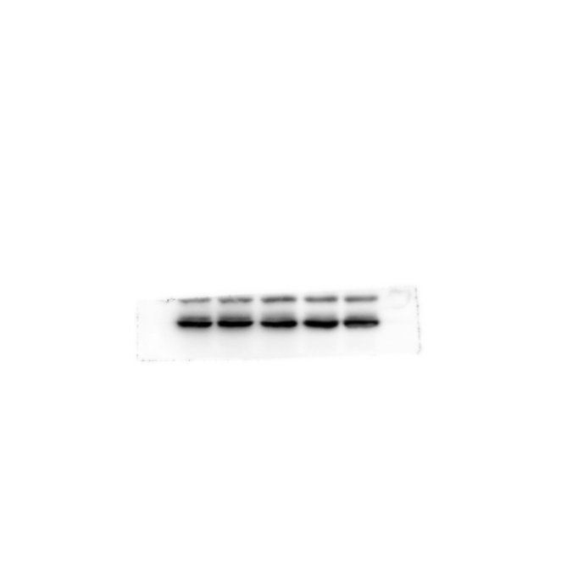

Relative Fold (Fig.5A)
P-IκB (C) |  |  | β-actin
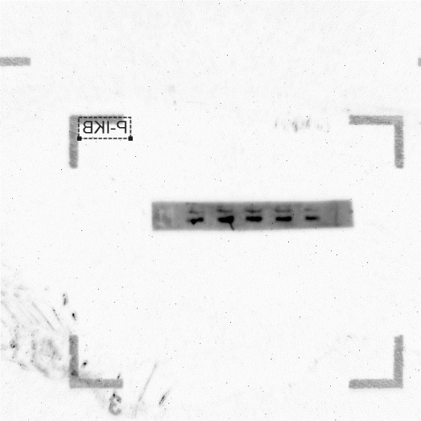
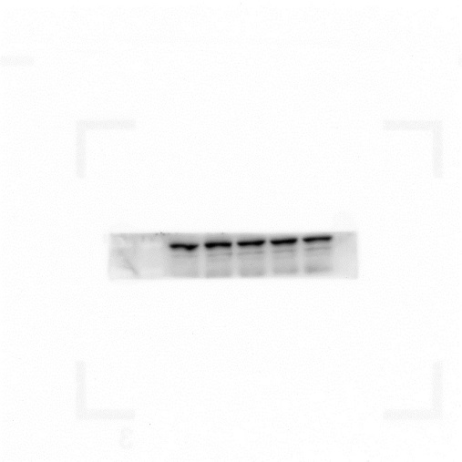

Relative Fold (Fig.5B)
P-p65 (N) |  |  | p65 (N)


TLR4 mRNA(Fig.6A)
Concentrations of compounds |  | results |  |  |  | Concentrations of compounds |  | results
TLR4 | 0 | 29.91 | 30.17 | 30.04 |  | GAPDH | 0 | 15.33 | 15.25 | 15.29
LPS | LPS | 31.75 | 26.75 | 29.25 |  | LPS | L | 16.25 | 16.5 | 16.375
Cha Vb (μm) | 100 | 30.12 | 30.65 | 30.385 |  | Cha Vb (μm) | 100 | 15.35 | 15.4 | 15.375

MyD88 mRNA(Fig.6B)
Concentrations of compounds |  | results |  |  |  | Concentrations of compounds |  | results
MyD88 | 0 | 25.69277499 | 25.95331842 | 25.512968403 |  | GAPDH | 0 | 15.67262001 | 15.97262001 | 15.38629901
 | LPS | 24.09947268 | 24.85301139 | 24.286131691 |  |  | LPS | 16.541339874 | 16.385381699 | 16.463360786
Cha Vb (μm) | 100 | 23.47221609 | 22.87336901 | 22.930135496 |  | Cha Vb (μm) | 100 | 14.509166458 | 14.131166458 | 14.82544319

TRIF mRNA(Fig.6C)
Concentrations of compounds |  | results |  |  |  | Concentrations of compounds |  | results
TRIF | 0 | 27.497365952 | 27.342008591 | 27.419687271 |  | GAPDH | 0 | 15.67262001 | 15.97262001 | 15.38629901
 | LPS | 26.944395065 | 27.734395065 | 26.59982563 |  |  | LPS | 16.541339874 | 16.385381699 | 16.463360786
Cha Vb (μm) | 100 | 25.758126831 | 25.359020233 | 25.958573532 |  | Cha Vb (μm) | 100 | 14.509166458 | 14.131166458 | 14.82544319

IRF3 mRNA(Fig.6D)
Concentrations of compounds |  | results |  |  |  | Concentrations of compounds |  | results
IRF3 | 0 | 24.52 | 24.74 | 24.63 |  | GAPDH | 0 | 15.33 | 15.25 | 15.29
LPS | L | 25.07 | 24.84 | 24.955 |  | LPS | L | 16.25 | 16.5 | 16.375
Cha Vb (μm) | 100 | 24.38 | 24.38 | 24.38 |  | Cha Vb (μm) | 100 | 15.35 | 15.4 | 15.375

IRF7 mRNA(Fig.6E)
Concentrations of compounds |  | results |  |  |  | Concentrations of compounds |  | results
IRF7 | 0 | 21.78 | 21.74 | 21.76 |  | GAPDH | 0 | 15.33 | 15.25 | 15.29
LPS | L | 21.47 | 21.26 | 21.365 |  | LPS | L | 16.25 | 16.5 | 16.375
Cha Vb | 100 | 23.66 | 23.75 | 23.705 |  | Cha Vb (μm) | 100 | 15.35 | 15.4 | 15.375

INF-β mRNA(Fig.6F)
Concentrations of compounds |  | results |  |  |  | Concentrations of compounds |  | results
INF-β | 0 | 28.76 | 28.81 | 28.785 |  | GAPDH | 0 | 15.33 | 15.25 | 15.29
LPS | L | 26.34 | 26.3 | 26.32 |  | LPS | L | 16.25 | 16.5 | 16.375
Cha Vb (μm) | C | 28.05 | 27.34 | 27.695 |  | Cha Vb (μm) | 100 | 15.35 | 15.4 | 15.375
Concentrations of compounds |  | results |  |  |  | Concentrations of compounds |  | results
GAPDH | 0 | 15.67262001 | 15.97262001 | 15.38629901 |  | GAPDH | 0 | 15.33 | 15.25 | 15.29
 | LPS | 16.541339874 | 16.385381699 | 16.463360786 |  | LPS | L | 16.25 | 16.5 | 16.375
Cha Vb (μm) | 100 | 14.509166458 | 14.131166458 | 14.82544319 |  | Cha Vb (μm) | 100 | 15.35 | 15.4 | 15.375

ROS(Fig.7A-C)
ROS(Fig.7A) PDF |  |  |  |  |  | ROS(Fig.7B) PDF |  |  |  |  | ROS(Fig.7C) PDF

ROS(Fig.7D)
Concentrations of compounds |  | results
FITC-Mean
 | 0 | 287 | 165 | 203
 | LPS | 2348 | 542 | 955
Cha Vb (μm) | 25 | 1328 | 542 | 881
Cha Vb (μm) | 50 | 1159 | 323 | 707
Cha Vb (μm) | 100 | 1143 | 329 | 693

SOD(Fig.7E)
Concentrations of compounds |  | results
 | 0 | 45.540743667 | 52.875846407 | 61.45573816
 | LPS | 10.733421223 | 35.289903164 | 33.058757121
Cha Vb (μm) | 25 | 17.452597744 | 48.497216799 | 43.77576059
Cha Vb (μm) | 50 | 41.107236567 | 55.930277272 | 54.822726636
Cha Vb (μm) | 100 | 48.726270811 | 56.643242858 | 62.859173181

